1. Title Page
Grocery Basket Analysis

Project Name: Instacart Grocery Basket Analysis
Date: 08/2023
Analyst Name: Bruna Campos

Contents:
Population Flow
Consistency checks
Wrangling steps
Column derivations
Visualizations
Recommendations

Data citation

“The Instacart Online Grocery Shopping Dataset 2017”, Accessed from www.instacart.com/datasets/grocery-shopping-2017 via Kaggle on 25.08.2023.
The 'customer' data , and the 'prices' in the products data set were fabricated for the purpose of this exercise

2. Population Flow
 |  |  |  |  |  |  | Title page

Population flow

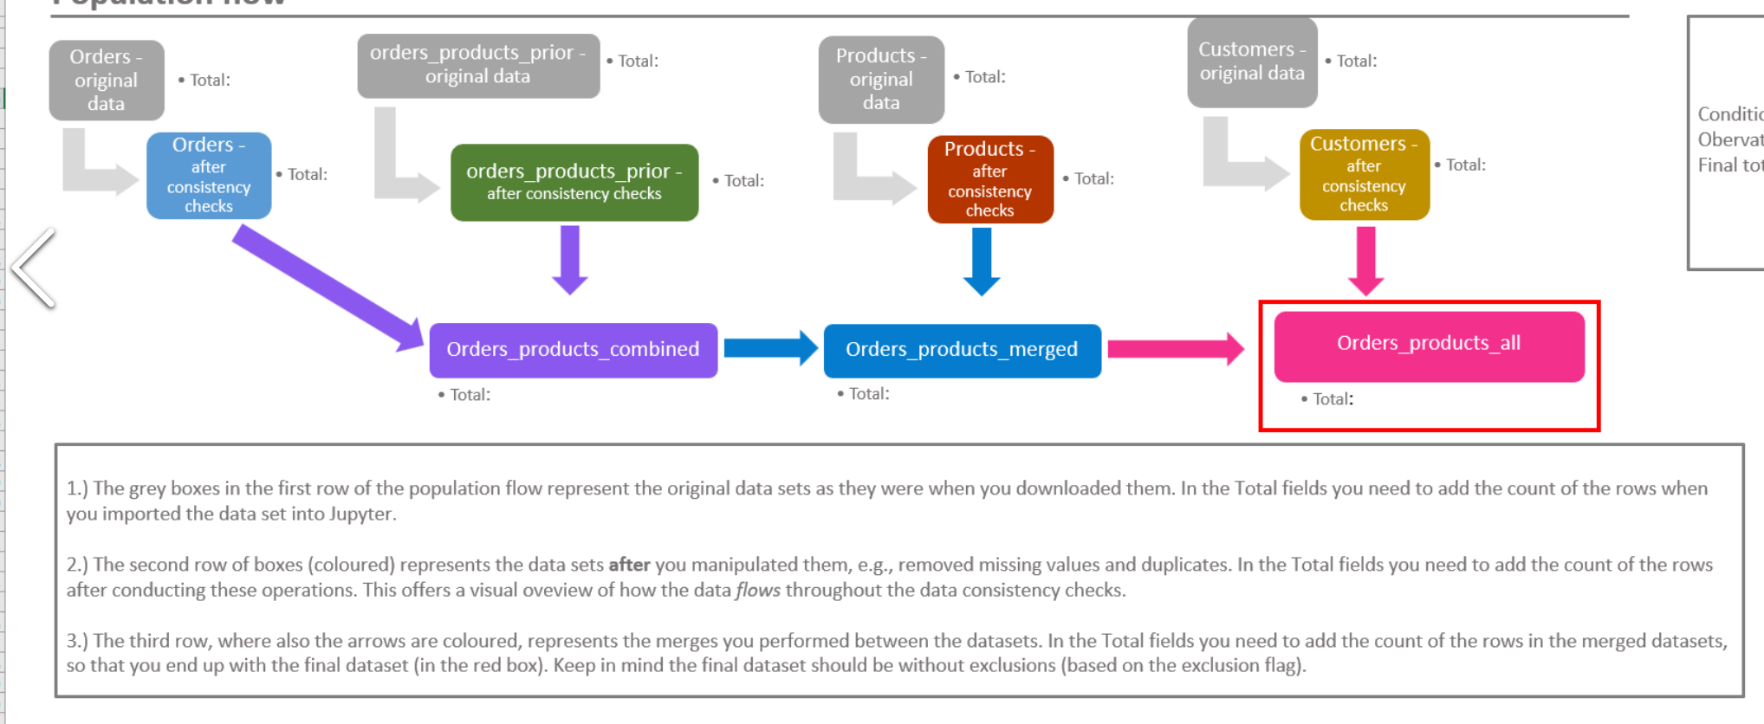
Exclusion flag
Condition: max_order < 5
Observations to be removed: 1,440,295
Final total count of order_products_all: 30,964,564

Original data |  | After consistency checks |  | Final
Orders | 3,421,083 | Orders | 3,421,083 | Orders_products_combined | 32,434,489 | inner join
Orders_products_prior | 32,434,489 | Orders_products_prior | 32,434,489 | Orders_products_merged | 32,404,859 | inner join
Products | 49,693 | Products | 49,672 | Orders_products_all | 32,404,859 | inner join
Customers | 206209 | Customers | 206209

3. Consistency checks
 |  |  |  | Title page
Consistency checks

Dataset | Missing values | Missing values treatment | Duplicates
orders | No missing values (days_since_prior_order with empty cells, but these are first shops) | N/A | No duplicates found
products | 16 values in 'product_name' column | New df created with values filtered out (df_prods_clean) | 5 full duplicated rows. New df created without duplicates (df_prods_clean_no_dups)
 |  |  | duplicated 'product_id' found (different items, same product_id) - applcable to 2 items. No action taken
orders_products_prior | Price 99999 and 14900 replaced with np.nan (not missing, just outliers) |  | No duplicates found
customers
orders_products_merged

4. Wrangling steps
 |  |  |  | Title page
Wrangling steps

Columns dropped | Columns renamed | Columns' type changed | Comment/Reason
eval_set | - | - | Deleted because it isn't required, since it only indicates that this was the prior data set released by Instacart. Dataframe: orders.
- | 'order_dow' : 'order_day_of_week' | - | Changed to 'order_day_of_week' for clarity. Dafaframe: orders
- | - | order_id | Changed from int to string. Dataframe: orders
- | - | user_id | Changed from int to string. Dataframe: orders
- | 'order_hour_of_day' : 'time_of_order' | - | Dafaframe: orders
 | Gender':'gender', 'STATE': 'state', 'Age': 'age', 'n_dependants': 'nr_dependants' | - | Changed for uniformity and clarity. Dataframe: customers
Fisrt name', 'Surnam' |  |  | Names are kept in original database, but removed from analysis due to PII implications and because they are not required for analysis (user ID sufficient)

5. Column derivations
 |  |  |  |  | Title page

Column derivations and aggregations

In this tab you should add tables below that the frequences of flags/label variables that you produced after deriving them. NB: don't do this for continuous variables, only for flags.
Dataset | New column | Column/s it was derived from | Conditions | Frequencies
orders | first_order_flag | days_since_prior_order | days_since_prior_order' empty = True; else = False
orders_products_merged | price_label | prices | If price is <= 5 then "Low-range product" if price is >5 and <=15 then "Mid-range product" if price is > 15 then "High-range product" | Mid range product 21860860 Low range product 10126321 High range product 412551 NaN 5127
orders_products_merged | busiest_day | orders_day_of_week | If day of week is 0 then "Busiest day" if day of weekis 4 then "Least busy" if day of week is anything else, then "Regularly busy" | Regularly busy 22416875 Busiest day 6204182 Least busy 3783802
orders_products_merged | busiest_days_grouped | orders_day_of_week | If day of week is 0 or 1 then "Busiest days" if day of week is 3 or 4 then "Slowest days" if day of week is anything else, then "Regularly busy days" | Regularly busy days 12916111 Busiest days 11864412 Slowest days 7624336
orders_products_merged | busiest_period_of_day | order_time_of_day | If value is 10,11,14,15,13,12 (>= 2500000 orders), then "Most orders" If value is 23,6,0,1,5,2,4,3 (<= 500000 orders), then "Fewest orders" If anything else, then "Average orders" | Most orders 16128666 Average orders 14987056 Fewest orders 1289137
orders_products_analysis | loyalty_flag | order_number | if max order number <=10, "New customer" if max order number >10 and <=40, "Regular customer" if max order > 40, "Loyal customer" | Regular customer 15876776 Loyal customer 10284093 New customer 6243990
orders_products_analysis | spending_flag | prices | if average price < 10, "Low spender" if average price >= 10, "High spender" | Low spender 31832092 High spender 572767
orders_products_analysis | order_frequency_flag | days_since_prior_order | if median of “days_since_prior_order” >20, “Non-frequent customer” if median of “days_since_prior_order” > 10 and <= 20, “Regular customer” if median of “days_since_prior_order” <=10, “Frequent customer” | Frequent customer 21559853 Regular customer 7208564 Non-frequent customer 3636437 NaN 5
ords_prods_all | region | state | if ['Maine', 'New Hampshire', 'Vermont', 'Massachusetts', 'Rhode Island', 'Connecticut', 'New York', 'Pennsylvania', 'New Jersey'], then 'Northeast'; if ['Wisconsin', 'Michigan', 'Illinois', 'Indiana', 'Ohio', 'North Dakota', 'South Dakota', 'Nebraska', 'Kansas', 'Minnesota', 'Iowa', 'Missouri'], then 'Midwest'; if ['Delaware', 'Maryland', 'District of Columbia', 'Virginia', 'West Virginia', 'North Carolina', 'South Carolina', 'Georgia', 'Florida', 'Kentucky', 'Tennessee', 'Mississippi', 'Alabama', 'Oklahoma', 'Texas', 'Arkansas', 'Louisiana'], then 'South'; if ['Idaho', 'Montana', 'Wyoming', 'Nevada', 'Utah', 'Colorado', 'Arizona', 'New Mexico', 'Alaska', 'Washington', 'Oregon', 'California', 'Hawaii'], then 'West' | South 10791885 West 8292913 Midwest 7597325 Northeast 5722736
ords_prods_all | cust_activity_flag | max_order | if max order <5, "Low activity customer" if max order > =5, "High activity customer" | High activity customer 30964564 Low activity customer 1440295
ords_prods_all | age_flag | age | if age <= 35: 'Young' if age >35 and <= 65: 'Middle-aged' if age >65: 'Senior' | Young 9146419 Middle-aged 15170339 Senior 8088101
ords_prods_all | income_flag | income | if income <= 67000: 'Low-income' if income >67000 and <= 128000: 'Average_income' if income >128000: 'High_income' | Average_income 16221856 Low-income 8100799 High_income 8082204
ords_prods_all | fam_demog_flag | age; fam_status; nr_dependants | Columns: age, fam_status, nr_dependants Young family: <35, married, >0 Mature family: >=35, married, >0 Single parental family: -, single|divorced/widowed, >0 Empty nester: >50, married , 0 Childless couple: <=50, married, 0 Childless single: -, single|divorced/widowed, 0 Descendant with family: -, living with parents and siblings, >0 | Mature family 17836628 Childless single 8097503 Young family 4920125 Descendant with family 1550603 Single parental family 0 Empty nester 0 Childless couple 0

6. Visualizations
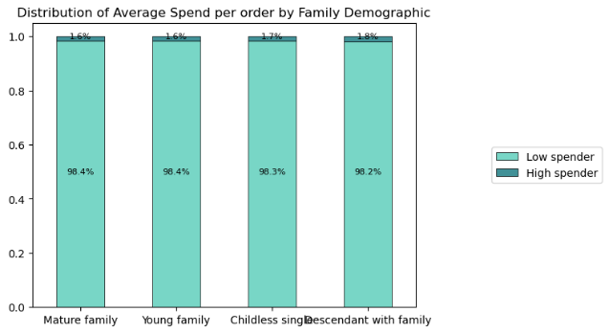
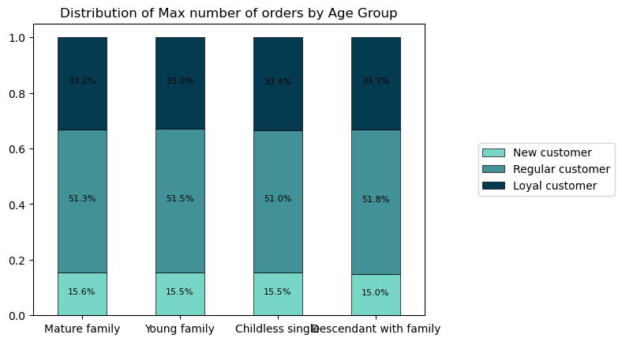
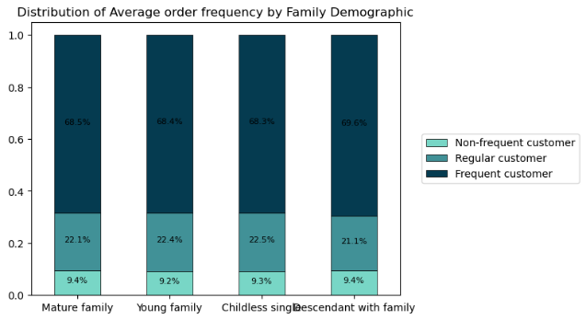
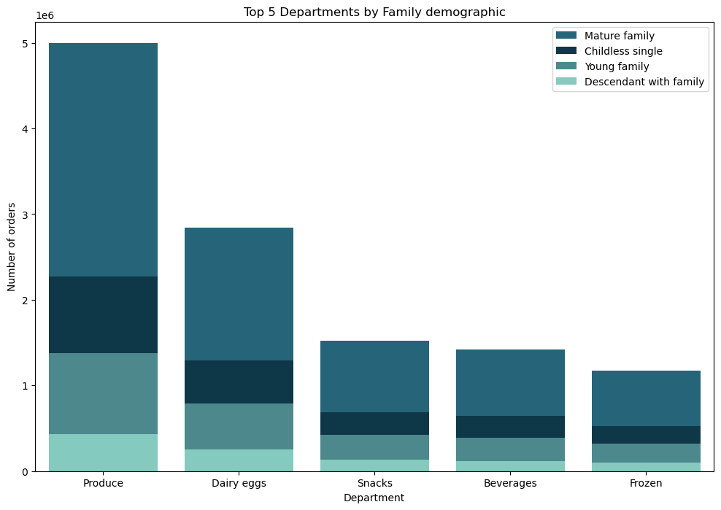
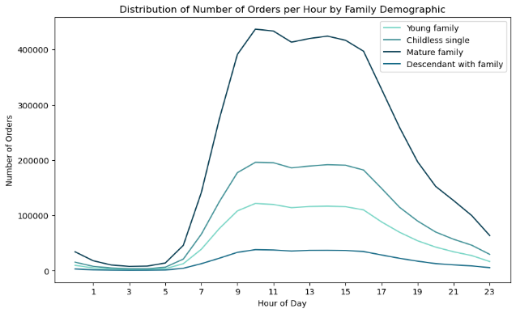
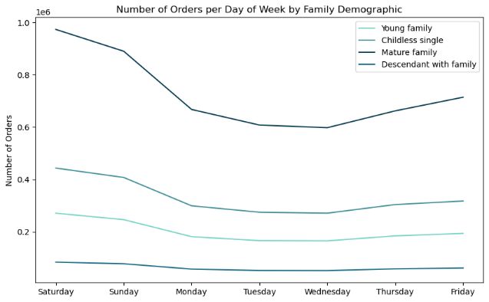
 |  |  | Title page

Visualisations

In this tab you should include all the visualtions from Exercises 4.9 and 4.10, alongside the questions from the project brief that they answer. Include any commentary on the relationship between different variables.

Key Question 1: What are the busiest days of the week and hours of the day (i.e., the days and times with the most orders).

Key Question 1a: Busiest day of the week
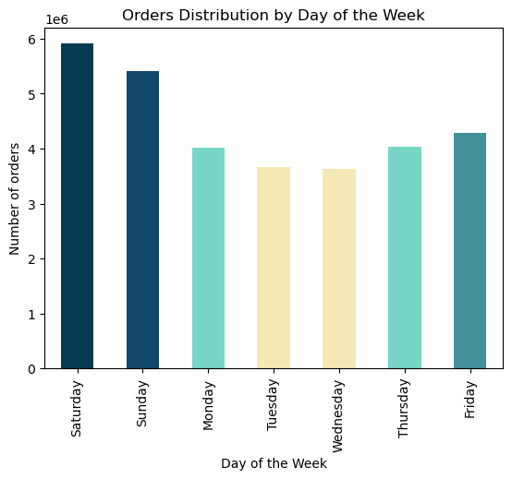
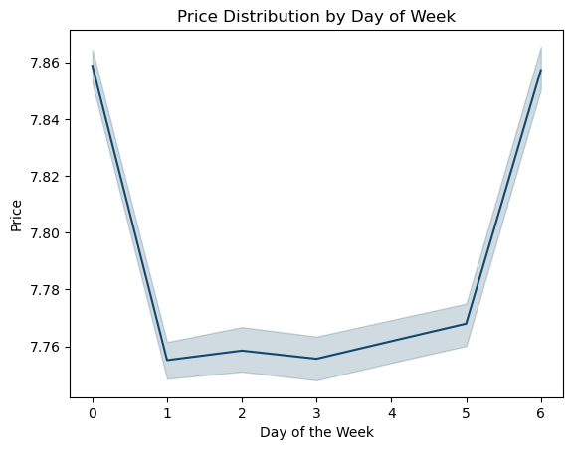

 |  | The weekdays, spanning from Monday to Thursday, consistently exhibit the lowest order volumes. Within this period, Tuesdays and Wednesdays stand out as the days with notably reduced order activity. This lower order traffic presents a strategic opportunity for advertising campaigns. By strategically scheduling advertisements during these quieter days, we could potentially maximize their impact and engagement.

 |  | The peaks on days zero and six mean that most money is spent on Friday and Saturday. This might be due to people stocking up on things before the weekend.

Key Question 1b: Busiest hours of the day

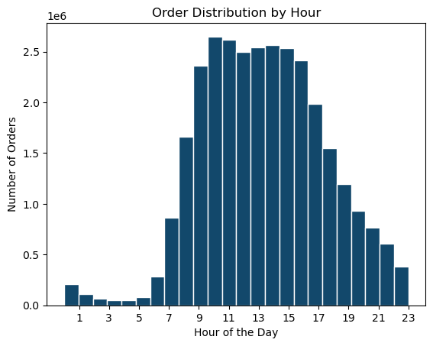

 | The peak order hours typically occur between 9 am and 5 pm, reflecting a higher demand during standard business hours. While there are still orders placed in the earlier hours, from 7 am to 9 am, and during the evening hours, from 5 pm to 11 pm, they notably taper off. This presents an opportunity for growth through strategic marketing and advertising efforts during these time frames.

 | Conversely, orders placed between 11 pm and 7 am remain quite limited, suggesting that advertising during these late-night and early morning hours may not yield substantial results due to low activity and potential limited audience engagement.

 | Conclusion Key Question 1:
 | To optimize the impact of your advertising campaigns:
 | 1. Focus on peak hours between 9 am and 5 pm for maximum visibility and engagement.
 | 2. Leverage the quieter hours between 7 am to 9 am and 5 pm to 11 pm for strategic marketing efforts.
 | 3. Consider prioritizing advertising on Tuesdays and Wednesdays, the least busy weekdays.
 | 4. Exercise caution when scheduling advertisements during late-night and early morning hours due to limited order activity.

Key Question 2: Are there particular times of the day when people spend the most money?
This might inform the type of products they advertise at these times

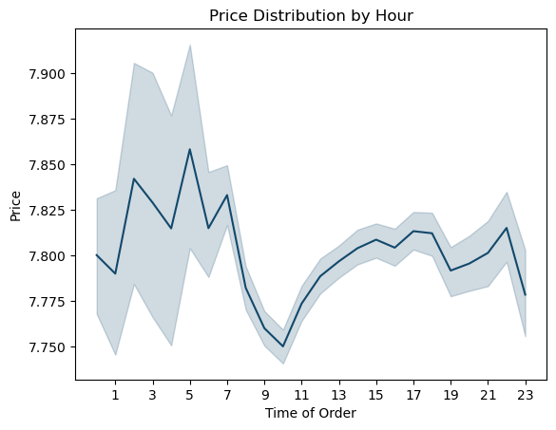

 | The average order price remains relatively stable throughout the day, with a range of approximately USD 7.75 to USD 7.85.

 | The most pronounced variability in order pricing is observed between 1 and 6 am. This phenomenon is likely a statistical artifact caused by the reduced volume of orders during that time period and does not bear significant relevance for our marketing strategy.

Key Question 3: Are there certain types of products that are more popular than others?
The marketing and sales teams want to know which departments have the highest frequency of product orders.

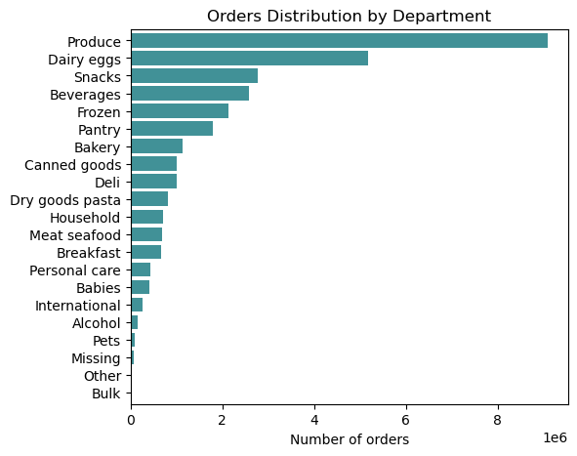

 | The departments with the highest order volumes are Produce and Dairy Eggs, followed by Snacks, Beverages, and Frozen goods.

 | Conversely, Bulk, Pets, Alcohol, International, and Babies departments have the lowest number of orders. It's worth noting that investing in marketing efforts for these items may not yield particularly meaningful results.

Key Question4 : What’s the distribution among users in regards to their brand loyalty (i.e., how often do they return to Instacart)?
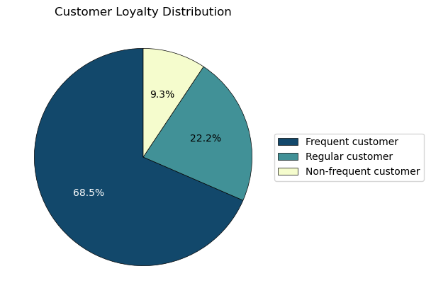

 | Customer Loyalty:
 | If median of days since previous order >20, 'Non-frequent customer'
 | If median of days since previous order > 10 and <= 20, 'Regular customer'
 | If median of days since previous order <=10, 'Frequent customer'

 | The majority of customers (close to 70%) returns to Instacart Grocery for a new shop within 10 days. This might indicate that a marketing strategy within the Instacart website could be sufficient to reach frequent customers.
 | Close to 10% of customers wait over 20 days to complete a new purchase

Key Question 5: Are there differences in ordering habits based on a customer’s loyalty status?

Key Question 5a: Distribution of order price based on loyalty
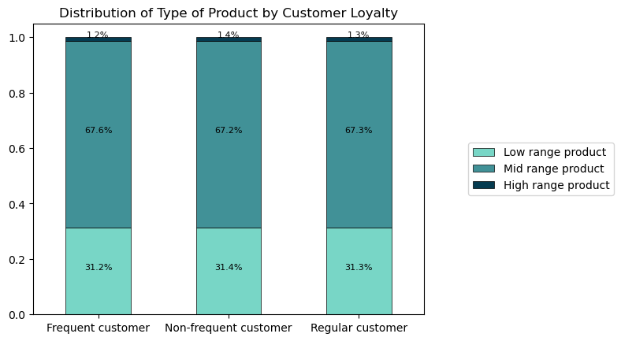

 | The price of products purchased by customers with varying levels of loyalty does not exhibit any significant differences.

Customer Loyalty:
If median of days since previous order >20, 'Non-frequent customer'
If median of days since previous order > 10 and <= 20, 'Regular customer'
If median of days since previous order <=10, 'Frequent customer'

Price Label:
If price is <= 5 then "Low-range product"
if price is >5 and <=15 then "Mid-range product"
if price is > 15 then "High-range product""

Key Question 5b: Distribution by day of week based on loyalty

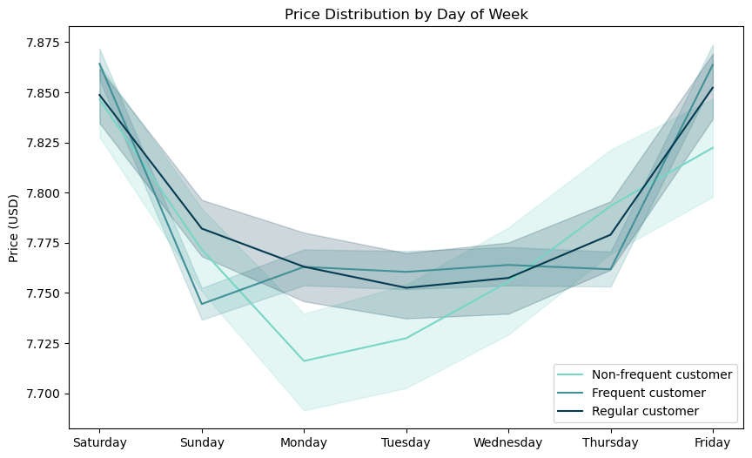
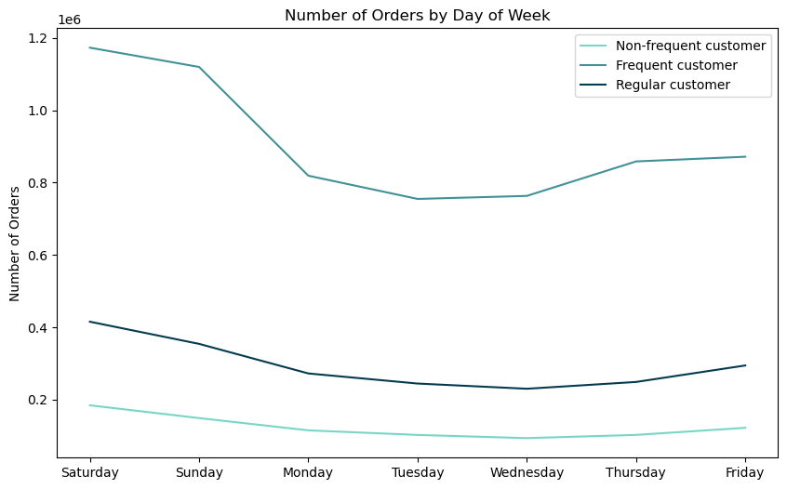
 |  | As seen previously, 10% of customers delay their next purchase by more than 20 days. Contraty to expected, this delay doesn't seem to be correlated with these customers making larger purchases.

 |  | The average order price remains fairly consistent across customer types, including frequent, regular, and non-regular customers. Additionally, the distribution of orders throughout the week shows a similar pattern for all customer segments.

 |  | As expected, the number of orders throughout the week is significantly higher for Frequent customers. The pattern observed is similar accross all three groups, with the biggest orders placed on Friday, Saturday and Sunday

Key Question 5c: Distribution by hour of day based on loyalty

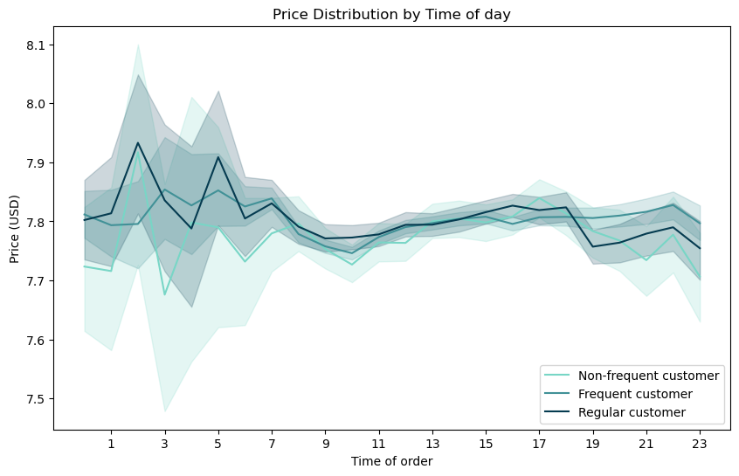
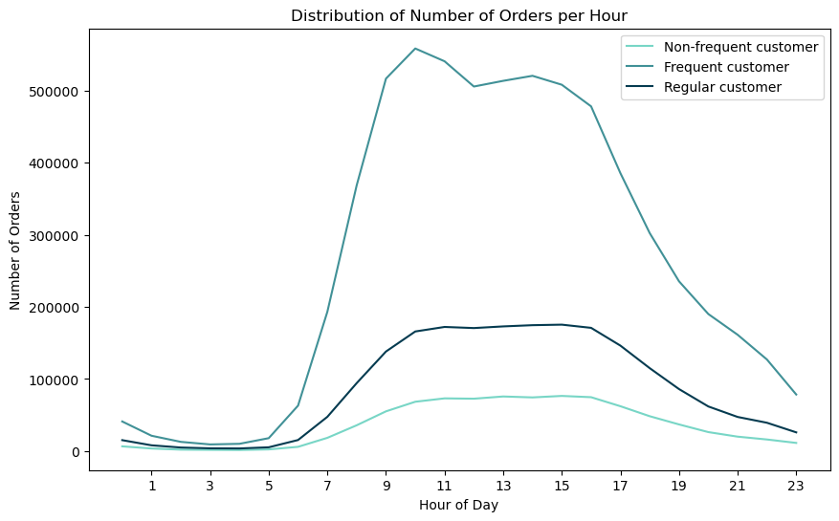
 |  | Similarly to the price distribution throughout the week, the price distribution throuought day shows a similar pattern for all customer segments.

Key Question 5f: Top departments (count of orders) by loyalty group

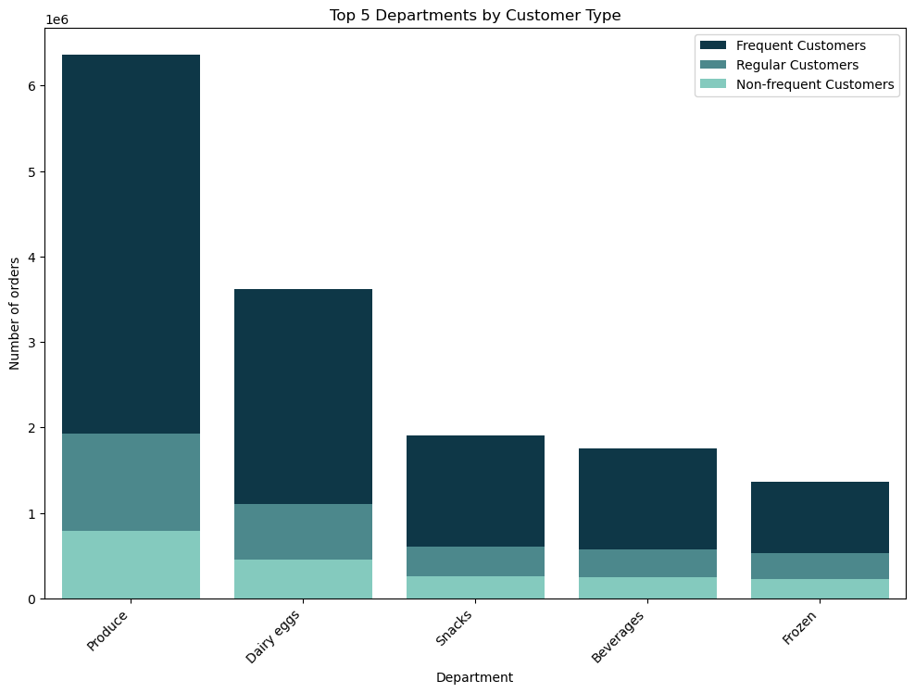

 | The top 5 departments consistently remain the same among all three customer types—Produce, Dairy Eggs, Snacks, Beverages, and Frozen. No notable differences are observed in their distribution patterns.

Key Question 6: Are there differences in ordering habits based on a customer’s region?

Key Question 6a: Distribution of order price based on region
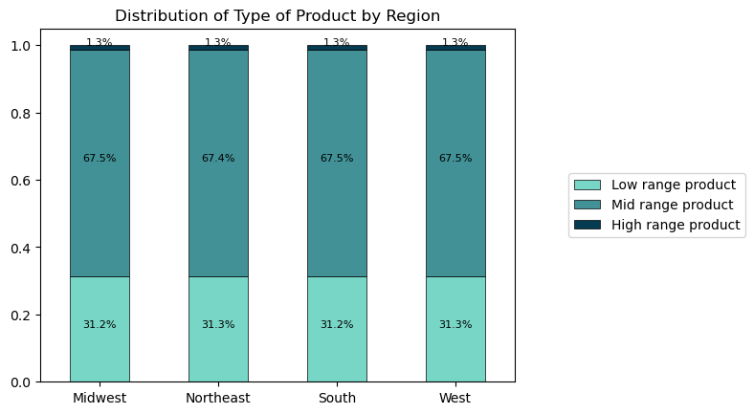

 | The price of products purchased by customers from different regions does not exhibit any significant differences.

Key Question 6b: Distribution by day of week based on region

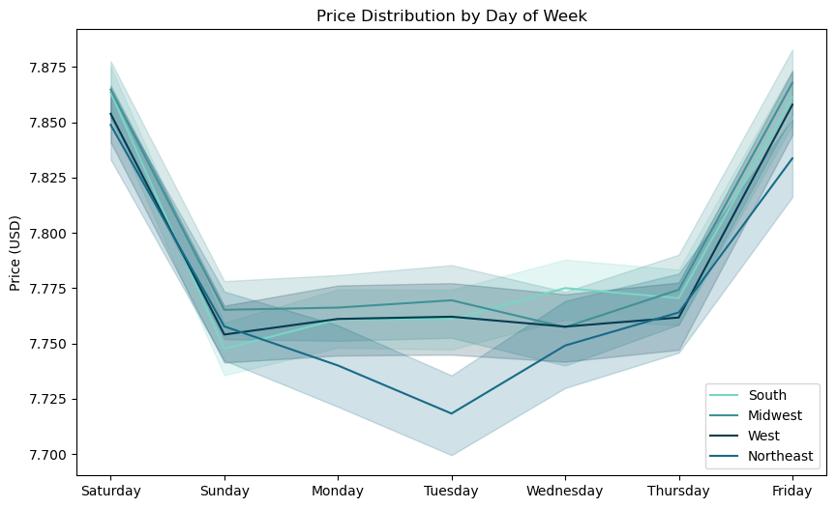
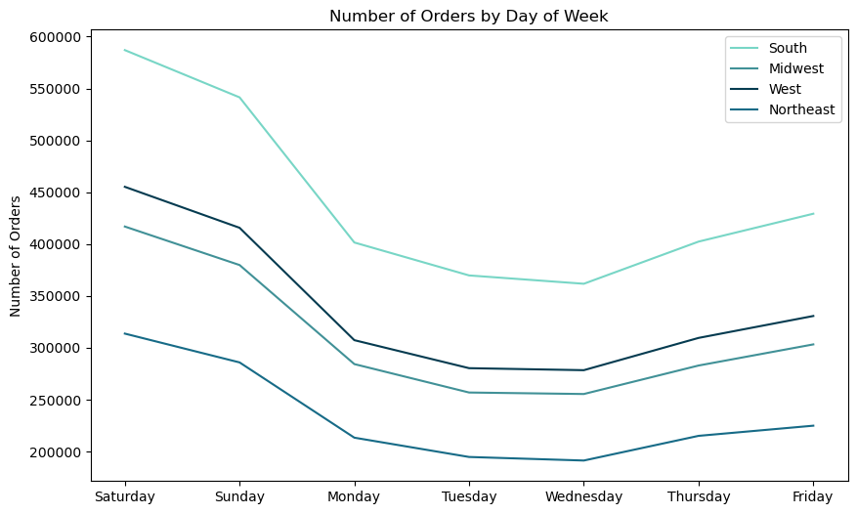

 |  | No differences observed in the average order price and in the distribution of prices throughout the week when comparing customers from different regions.

 |  | The number of orders sees the same pattern between customers accross all USA Regions
 |  | This pattern is similar to what has been seen before, with peak number of orders on Friday, Saturday and Sunday

 |  | The Region with biggest number of orders accross all week is South, followed by West and Midwest. The one with lowest number od orders is Northeast. This distribution is expected as it matches the distribution of Instacart Grocery Customers

Key Question 6c: Distribution by hour of day based on region

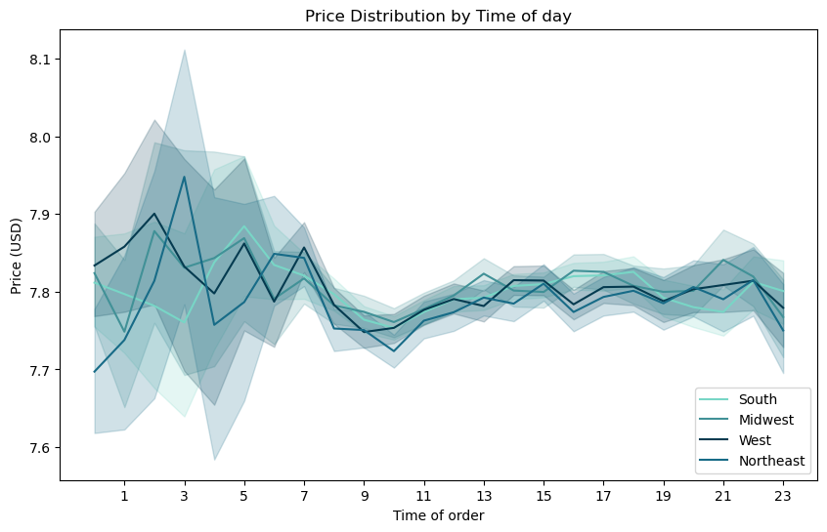
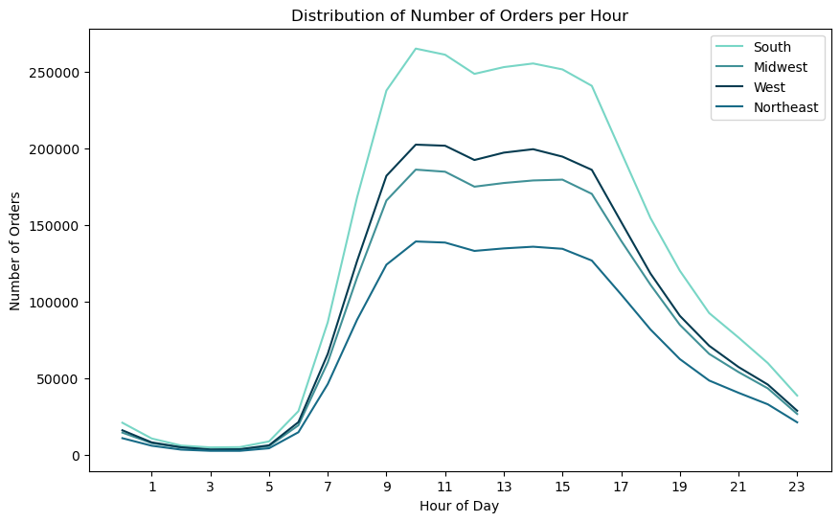

 |  | No differences observed in the average order price and in the distribution of prices throughout the daywhen comparing customers from different regions.

 |  | No differences observed in the number of orders throughout the day when comparing customers from different regions.
 |  | As mentioned previously, the fact that Customers from the South have a bigger number of orders can be explained by the fact that this is the biggest group of customers

Key Question 6d: Top departments (count of orders) by region

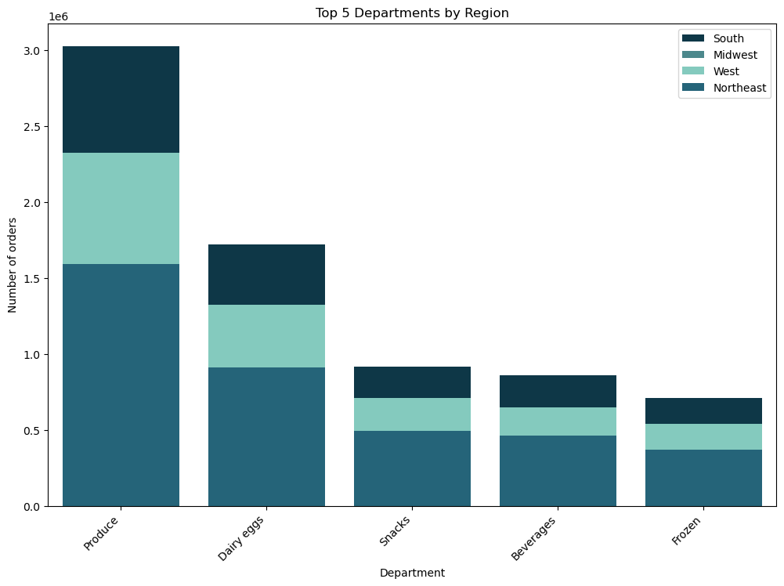

 | The top 5 departments consistently remain the same among all customers accross the country - Produce, Dairy Eggs, Snacks, Beverages, and Frozen. No notable differences are observed in their distribution patterns.

Key Question 7: Is there a connection between age and family status in terms of ordering habits?

Key Question 7a: Distribution of average order price per age
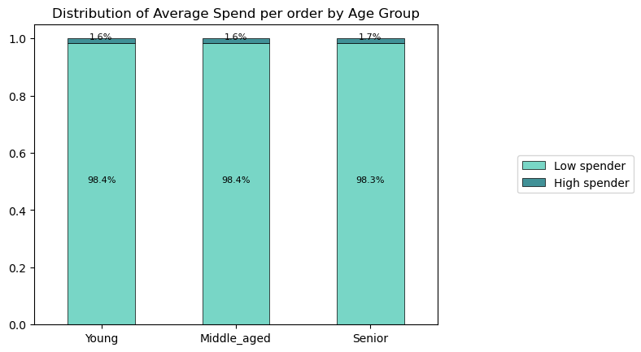

 | Spending Flag:
 | If average price per order < 10, 'Low spender'
 | If average price per order >= 10, 'High spender'

 | Age Flag:
 | If age <= 35: 'Young'
 | If age >35 and <= 65: 'Middle-aged'
 | If age >65: 'Senior'

 | No difference observed between the three Age Groups in the average price spent per hour, even though there is a difference in the salary between the age groups (more details below)

Key Question 7b: Distribution of average order frequency per age
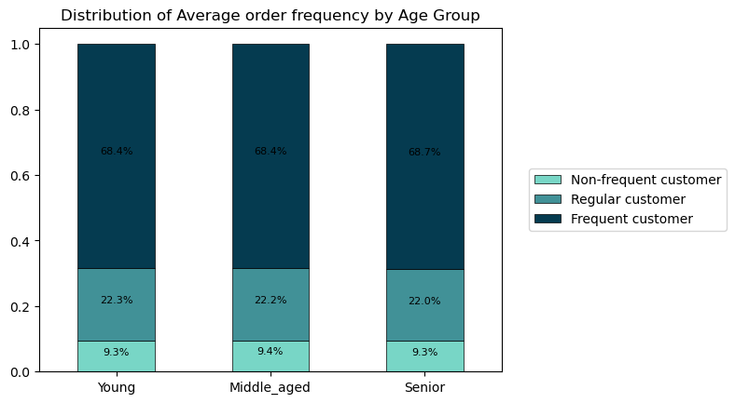

 | Order Frequency Flag:
 | If median of days since previous order >20, 'Non-frequent customer'
 | If median of days since previous order > 10 and <= 20, 'Regular customer'
 | If median of days since previous order <=10, 'Frequent customer'

 | No difference observed between the three Age Groups in the frequency with which they make a new purchase.

Key Question 7c: Distribution of max nr of orders (loyalty) per age
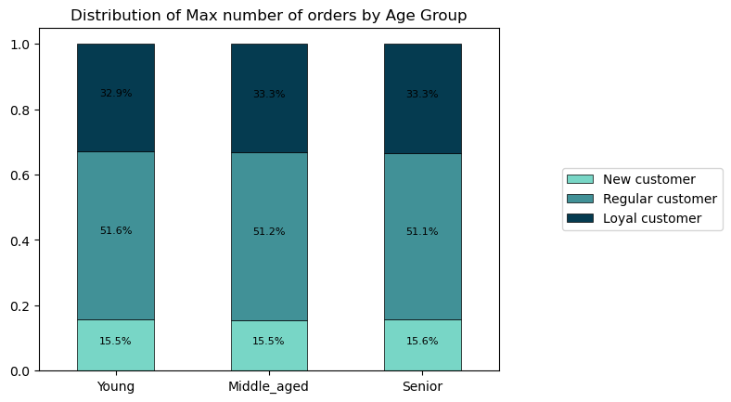

 | Loyalty Flag:
 | If max order number <=10, 'New customer'
 | If max order number >10 and <=40, 'Regular customer'
 | If max order > 40, 'Loyal customer'

 | No difference observed between the three Age Groups in the number of orders a customer has made

Key Question 7d: Distribution of nr of orders by day of week by Age Group

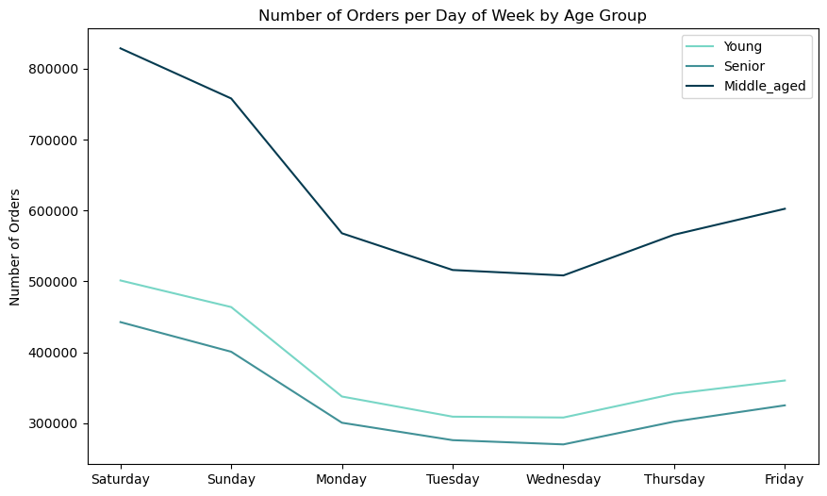
 | No difference in the patterns of number of orders accross the week between customers of different age groups
 | This pattern is similar to what has been seen before, with peak number of orders on Friday, Saturday and Sunday

 | The Age Group with biggest number of orders accross all week is Middle Aged,, followed by Young anf Senior. This distribution is expected as it matches the distribution of Instacart Grocery Customers

Key Question 7e: Distribution of nr of orders by time of day by Age Group

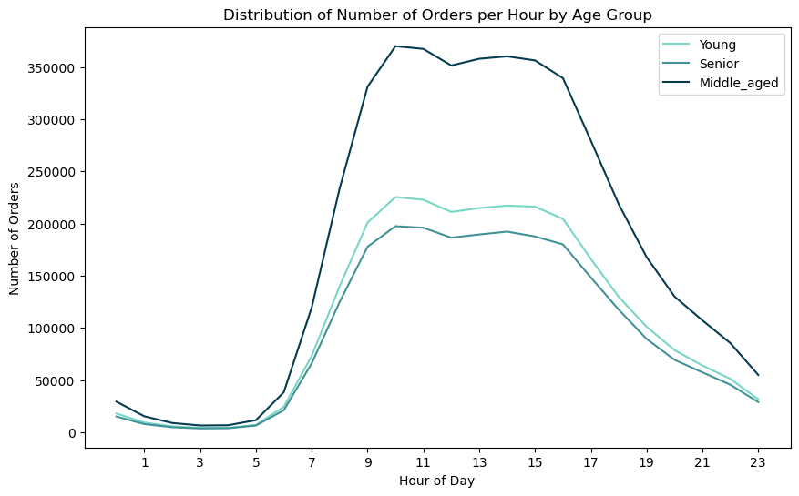

 | No differences observed in the number of orders throughout the day when comparing customers from different Age Groups.
 | As mentioned previously, the fact that Middle Aged customers have a bigger number of orders can be explained by the fact that this is the biggest group of customers

Key Question 7f: Top departments (count of orders) by Age Group

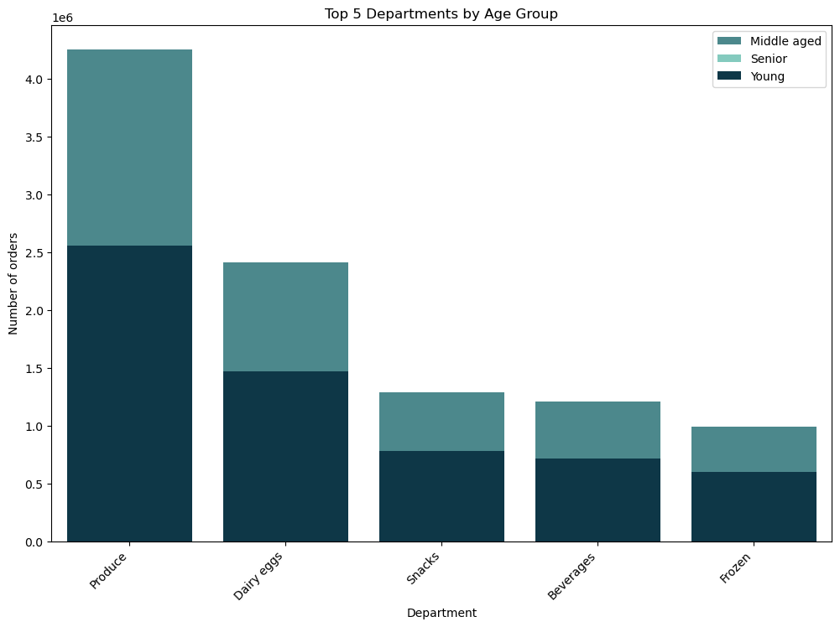
 | The top 5 departments are the same accross the 3 Age Groups (Produce, Dairy eggs, Snacks, Beverages and Frozen). No differences found in the distribution.

Key Question 8: What different classifications does the demographic information suggest?

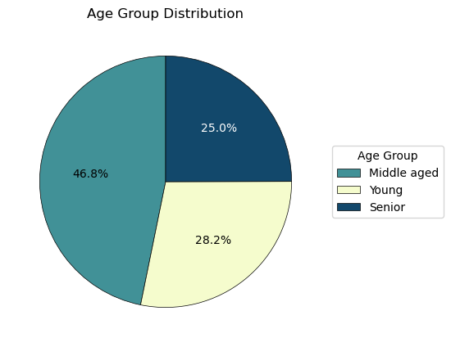

 | Age Grouping:
 | If age <= 35: 'Young'
 | If age >35 and <= 65: 'Middle-aged'
 | If age >65: 'Senior'

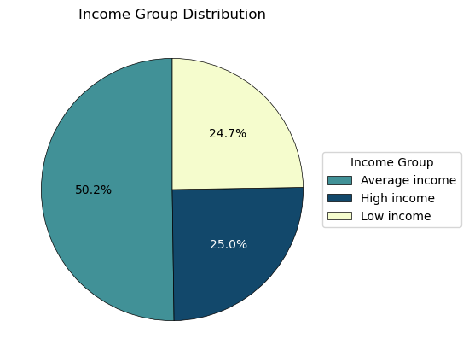

 | Income Grouping
 | if income <= 67000: 'Low-income'
 | if income >67000 and <= 128000: 'Average_income'
 | if income >128000: 'High_income'

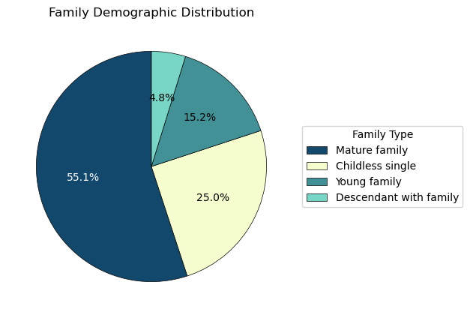

 | Family Demographic Grouping
 | Age, Family status, Nr dependants Young family: <35, married, >0 Mature family: >=35, married, >0 Single parental family: -, single|divorced/widowed, >0 Empty nester: >50, married , 0 Childless couple: <=50, married, 0 Childless single: -, single|divorced/widowed, 0 Descendant with family: -, living with parents and siblings, >0

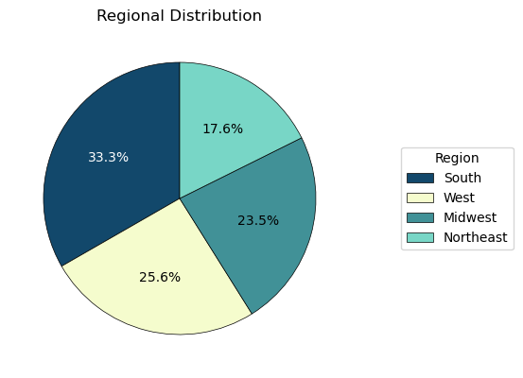

 | Regional Grouping:
 | Northeast: if ['Maine', 'New Hampshire', 'Vermont', 'Massachusetts', 'Rhode Island', 'Connecticut', 'New York', 'Pennsylvania', 'New Jersey']
 | Midwest: if ['Wisconsin', 'Michigan', 'Illinois', 'Indiana', 'Ohio', 'North Dakota', 'South Dakota', 'Nebraska', 'Kansas', 'Minnesota', 'Iowa', 'Missouri']
 | South: if ['Delaware', 'Maryland', 'District of Columbia', 'Virginia', 'West Virginia', 'North Carolina', 'South Carolina', 'Georgia', 'Florida', 'Kentucky', 'Tennessee', 'Mississippi', 'Alabama', 'Oklahoma', 'Texas', 'Arkansas', 'Louisiana']
 | West: if ['Idaho', 'Montana', 'Wyoming', 'Nevada', 'Utah', 'Colorado', 'Arizona', 'New Mexico', 'Alaska', 'Washington', 'Oregon', 'California', 'Hawaii']

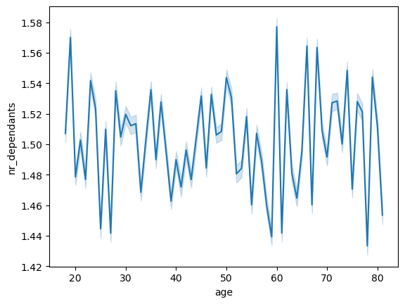
 | There isn't a direct correlation between age and number of dependendants.



 | The majority of users habe an income under 200000 USD, with the biggest concentration of salaries falling between this number accross all ages. Users under over 40 years old The top salary for under 40s is at 400000USD. Users over 40, on the other hand have a bigger range of salaries, with a significant numebr of users with salaries between 200000 and 300000 USD, and the top salaries sitting at 600000 USD.

Key Question 9: What differences can you find in ordering habits of different customer profiles?

No difference on average spend, average order frequency, number of orders, nr of order per day, nr of orders per hour, or top departments between the different family groups

7. Recommendations
 |  |  | Title page

Recommendations
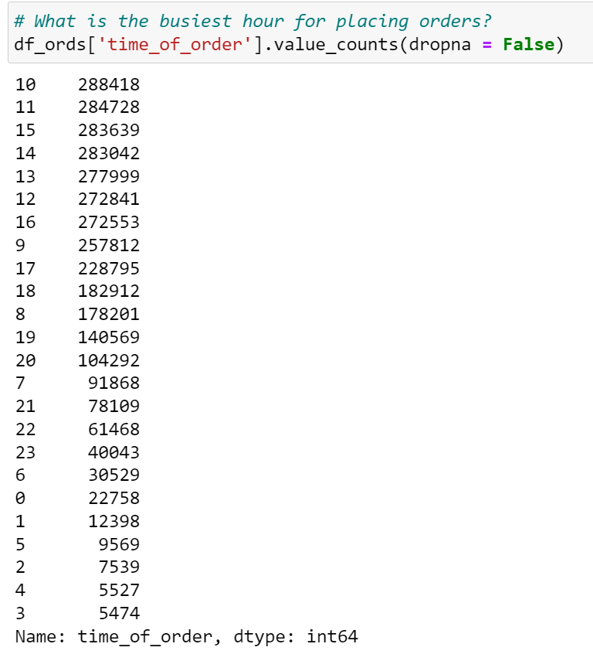
In this tab you should include any recommendations you would made to Instcart in terms of their marketing strategy based on the questions posed in the brief. Every key question has been covered in the Tasks of the Exercises - here you need to add an item - a visualisation or table/crosstable that is showing the answer in the data, acompanied by a comment from you. Please, list the questions below and add the answer underneath.
 |  | 1

1 | Which days/times are the best to invest in marketing campaigns
 | The weekdays, spanning from Monday to Thursday, consistently exhibit the lowest order volumes. Within this period, Tuesdays and Wednesdays stand out as the days with notably reduced order activity. This lower order traffic presents a strategic opportunity for advertising campaigns. By strategically scheduling advertisements during these quieter days, we could potentially maximize their impact and engagement.

 | The peak order hours typically occur between 9 am and 5 pm, reflecting a higher demand during standard business hours. While there are still orders placed in the earlier hours, from 7 am to 9 am, and during the evening hours, from 5 pm to 11 pm, they notably taper off. This presents an opportunity for growth through strategic marketing and advertising efforts during these time frames.
 | Conversely, orders placed between 11 pm and 7 am remain quite limited, suggesting that advertising during these late-night and early morning hours may not yield substantial results due to low activity and potential limited audience engagement.

 | To optimize the impact of advertising campaigns:
 | 1. Focus on peak hours between 9 am and 5 pm for maximum visibility and engagement.
 | 2. Leverage the quieter hours between 7 am to 9 am and 5 pm to 11 pm for strategic marketing efforts.
 | 3. Consider prioritizing advertising on Tuesdays and Wednesdays, the least busy weekdays.
 | 4. Exercise caution when scheduling advertisements during late-night and early morning hours due to limited order activity.

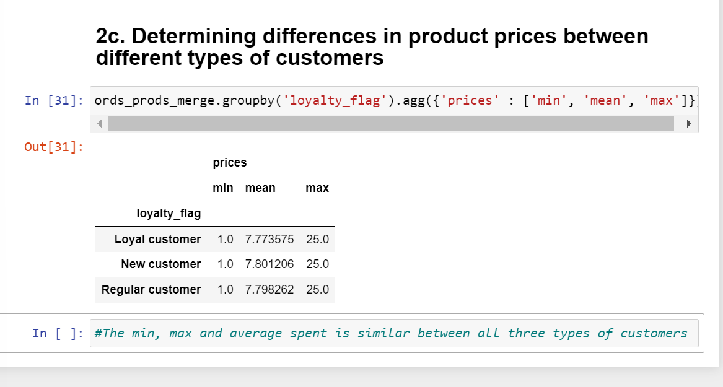

2 | Which deparments are the most popular ones?
 | The departments with the highest order volumes are Produce and Dairy Eggs. Snacks, Beverages, and Frozen goods have high sells but significantly lower than the previous two departments.
 | Conversely, Bulk, Pets, Alcohol, International, and Babies departments have the lowest number of orders. It's worth noting that investing in marketing efforts for these items may not yield particularly meaningful results.

 | Allocating marketing budget to both higher-sale departments can have the benefit of enhancing profitability and reinforcing strong performance. On the other hand, investing in departments with medium/lower sales can stimulate growth and increase market share

3 | Where do our customers live?
 | The costumers are fairly equily ditributed between South, West, Midwest and Norhteast, and follow population distribution. Marketing strategies seem to be working on all regions and should be mantained

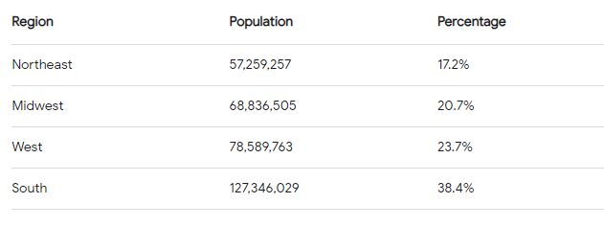

4 | How old are our customers?
 | Most of our customers are middle-aged (35-65). Marketing campains should focus on these customers for stability, or invest in other sgments of the population if the focus is in increasing market share

5 | What is the family demographics of our customers?
 | Most of our customers are part of a mature family (over 55%). There is opportunity to gain popularity within young families- (15% of customers) with marketing campaings focused on these.

